Job Details

Job Number & Name: | 35084 LB Bexley
Site Number/Name: | Site 23 - Brook Street
Client: | Waterman
Date: | 2023-03-30

Site Plan
Advanced Transport Research |  |  | Job Number & Name: | 35084 LB Bexley
Site 23 - Brook Street |  |  | Date: | 2023-03-30

Job Type: | Pedestrian & Vehicle Count
Co-ordinates: | 51°28'25.13"N, 0° 9'29.81"E | Postcode: | DA8 1JG |  | Times: | 0730-0930 1430-1630
3
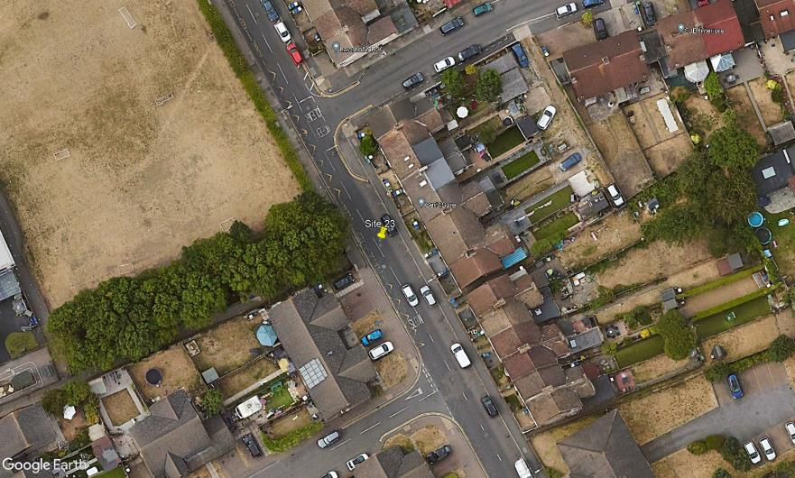
N
Northumberland Park

D
C

Brook Street

A

B

1
2

